TVS GPDN -1
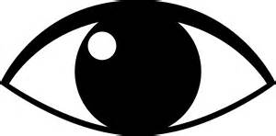
GPDN STAR VISUAL INSPECTION SEQUENCE FOR SECOND STAGE |  |  |  |  |  |  |  |  | IC-OC-QA-001
 |  |  |  |  |  |  |  | 
 | Part Name |  | (IN CHECK-OUT CHECK = 100% QUALITY CHECK) |  |  | Made |  |  | Checked |  | Approved
 | Model |  | OUT CHECK
 | Line name |  |  |  | For marking | Date: |  |  |  | Rev:
 |  |  |  |  | Use Yellow paint marker for rework parts
 |  |  |  |  | Use Red paint marker for reject/NG parts

 |  |  |  |  |  |  | 3rd teeth inspection
1
5

 | Responsibility Matrix:

 | Operator | Line leader | Shift Engineer/Incharge | Section head | Team leader
 |  |  |  |  | operator
 |  |  |  |  |  |  |  |  |  |  |  | Page- 2 of 2

